Sheet1
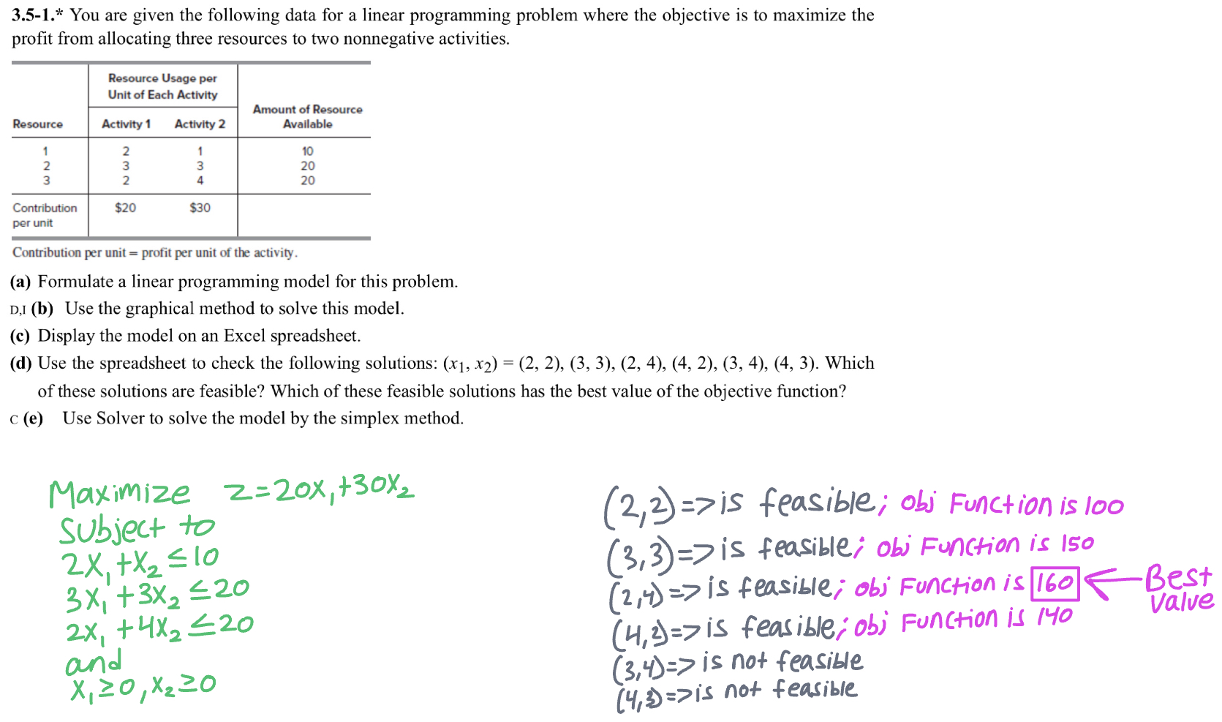
Decision Variables | x1 | x2
 | 3.3333333333 | 3.3333333333
Resource | Activity 1 | Activity 2 |  | Amount of Resource Available
1 | 2 | 1 |  | 10
2 | 3 | 3 |  | 20
3 | 2 | 4 |  | 20

Contribution | 20 | 30

 |  |  | Obj Fun | 166.66666667

 |  |  |  | LH | sign | RH
 |  |  | c1 | 10 | <= | 10
 |  |  | c2 | 20 | <= | 20
 |  |  | c3 | 20 | <= | 20

